Sheet1
DEFECT LOG
S/N | Issue Description | Date Opened | Criticality | Issue Type | Remarks/Screenshot | Status | PM/Developers Comments | Dev Status | Plannned Close Date | Actual Date Closed | Resolution | No of Days Open
NWA_001 | The sign up button is not clickable | 2023-09-18 | High | Defect | 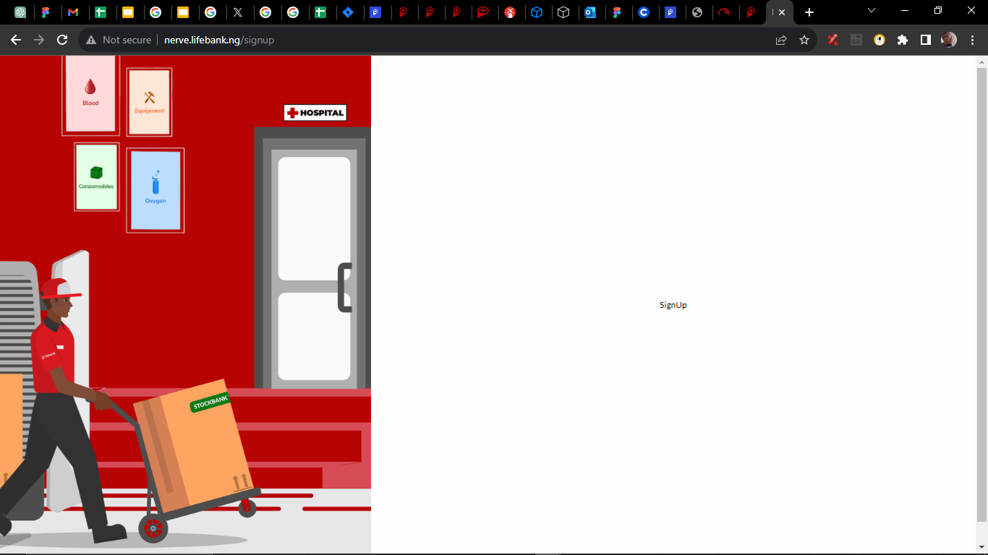 | Close | In Progress
NWA_002 | No eye icon on the password field | 2023-09-18 | High | Observation | 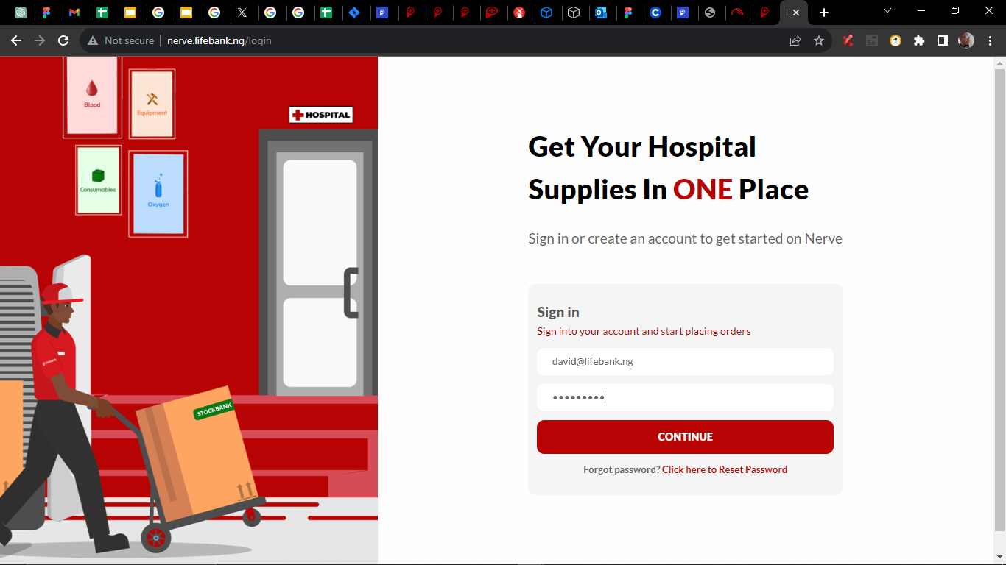 | Close | Done
NWA_003 | User successfully login with invalid password | 2023-09-18 | High | Defect |  | Close | Fixed the issue, validation is done
NWA_004 | System unable to recongnize the special characters, one uppercase and a numerical character in the password field. | 2023-09-18 | High | Defect |  | Close | Done
NWA_005 | Inability for system to validate the input maximum of 16 password character | 2023-09-18 | High | Defect |  | Open | Done
NWA_006 | The Logout button not clickable | 2023-09-18 | High | Defect | 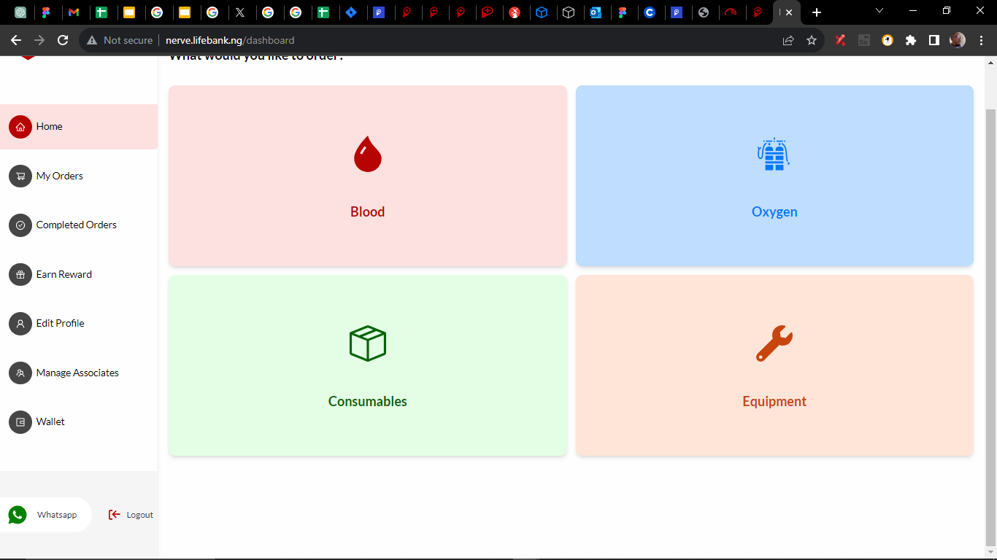 | Close | Done
NWA_007 | No content display when user select "Reason For Order" from my validation the page crashes for both Blood&Oxygen | 2023-09-18 | High | Blocker |  | Close | Done
NWA_008 | Inability for system to display content for each of the listed feature | 2023-09-18 | High | Defect |  | Open | The screen is not available yet on figma for Earn Rewards, I will have to get approval from AY to reproduce the one on the mobile for the desktop
NWA_009 | System return NaN on total balance also total number of quantity order is not showing | 2023-09-18 | High | Defect | 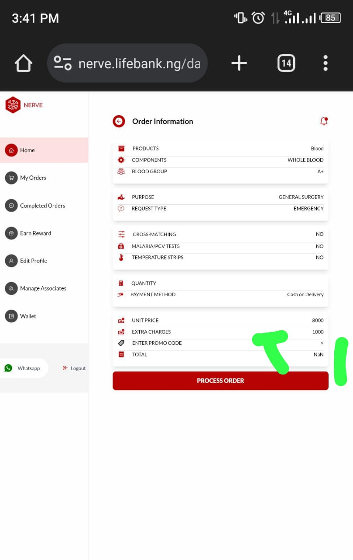 | Close
NWA_010 |  |  |  |  |  |  | Done, However please note for oxygen you might see Nan or N/A because some of the cylinder sizes are not return a price, I have reached out to vivian and ay concerning that issues, ay told me he would work on the accout. And also note that we don’t have management screen and wallet screen on the figma, i will also let ay know about that, possiblly we can use that of the mobile but again Ay's approval is needed, so finally these are the current issue for NAN and N/A values : 1,3,6,2,8, 9, 7, 10 cubic meter for oxygen returns a unit price 0.5,4,1.5,1.6, 2.5,7.5, 5 cubic meter for oxygen doesn’t t return any value "n/a", it happens on the mobile and web app
NWA_011 | The sign in here option is not clickable. | 2023-09-21 | High | Defect | 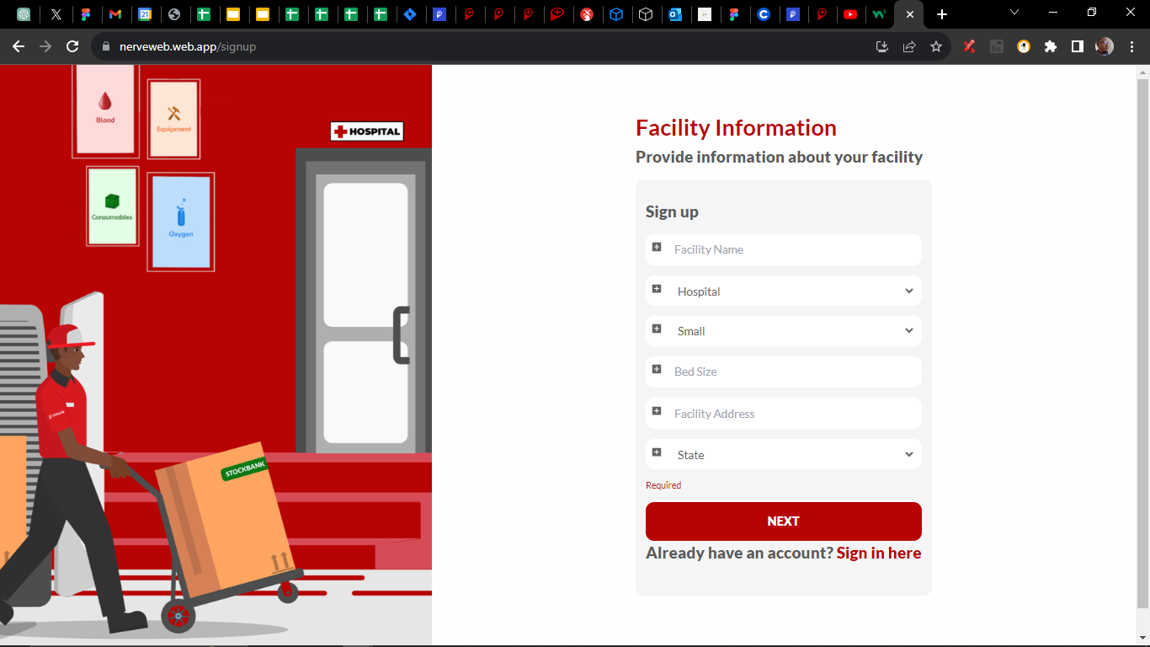 | Open
NWA_012 | On the sign up page where user is meant to fill all field, I refresh the page and it crashes. | 2023-09-21 | High | Defect | 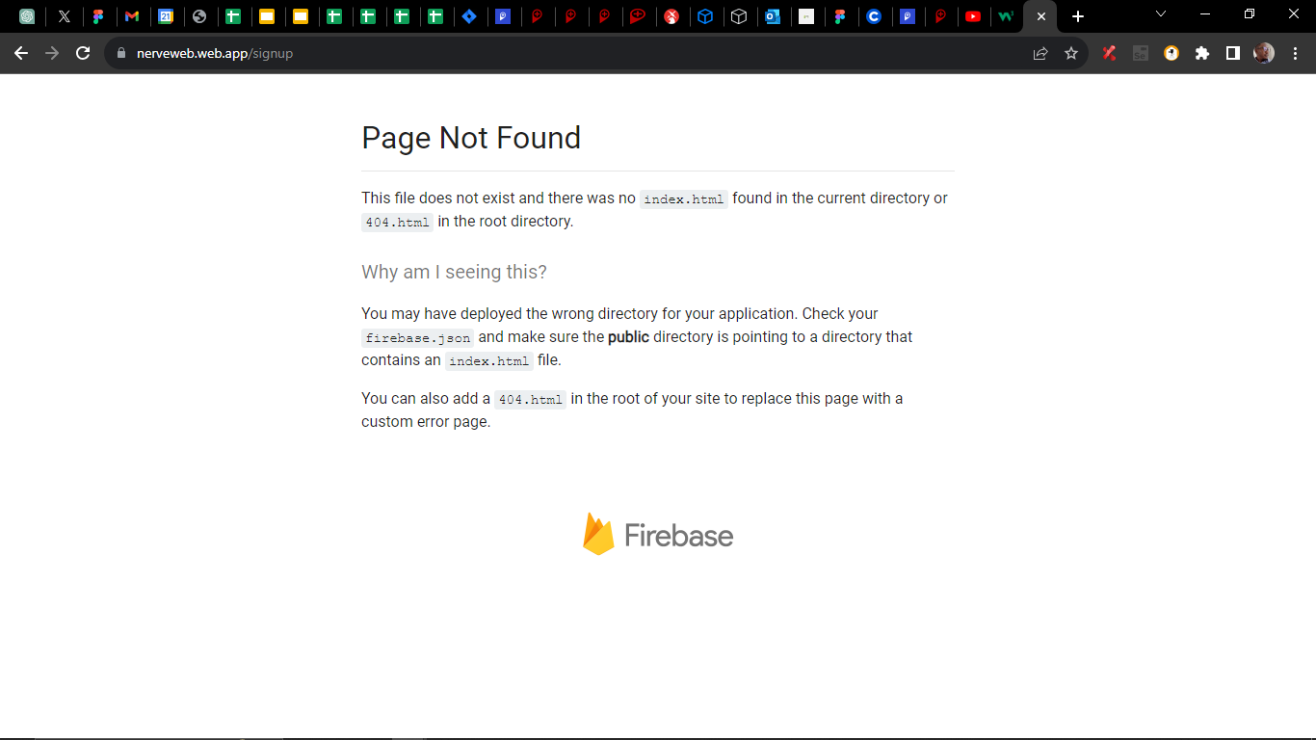 | Open
NWA_013 | Once I click on track my order, system log me out automatically this happen in both my order and completed order | 2023-09-21 | High | Defect | N/A | Open
NWA_014 | When ever I refresh aech page the app crashes | 2023-09-21 | High | Defect | Same as NWA_012 | Open
NWA_015 | The app crashes when I click on log out | 2023-09-21 | High | Defect |  | Open
NWA_016 | Nothin still showing when I click on earn reward | 2023-09-21 | High | Defect |  | Open
NWA_017 | Reset Password button not clickable, also rephrase it to "Submit" not Reset Password after inputting your email | 2023-09-21 | High | Defect | 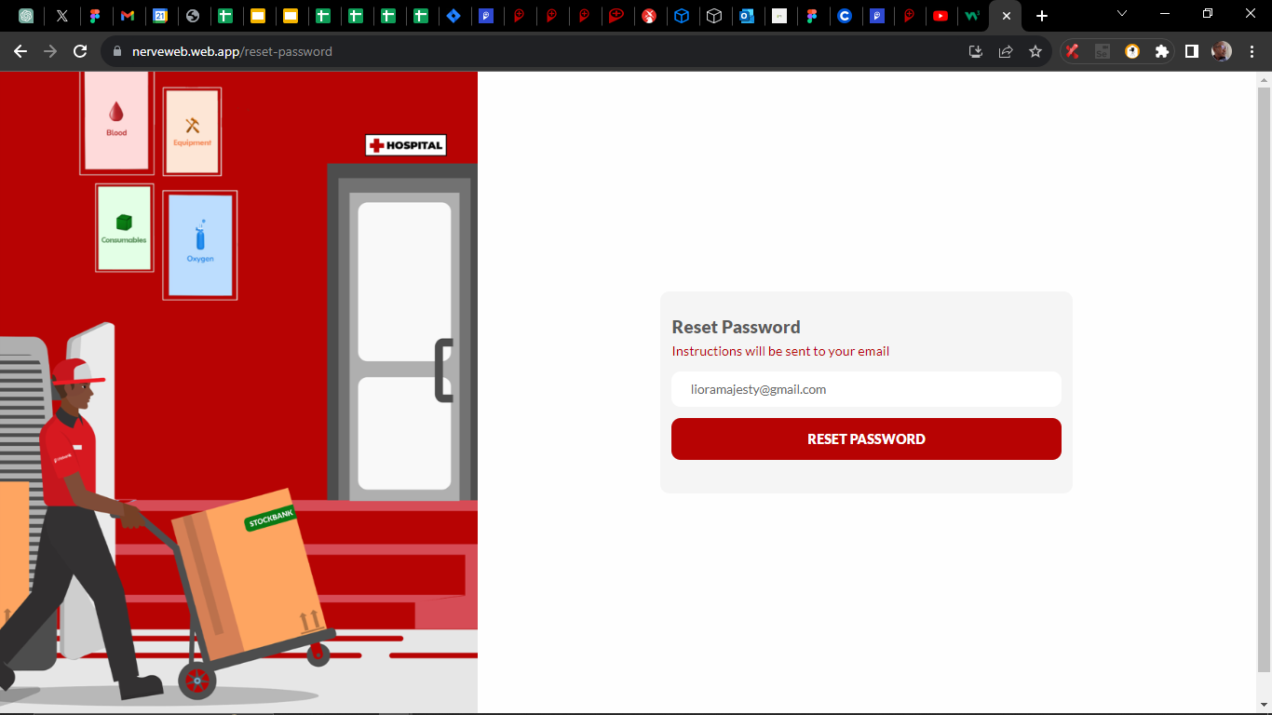 | Open
NWA_018 | The "Next" button not clickable | 2023-09-21 | High | Blocker | 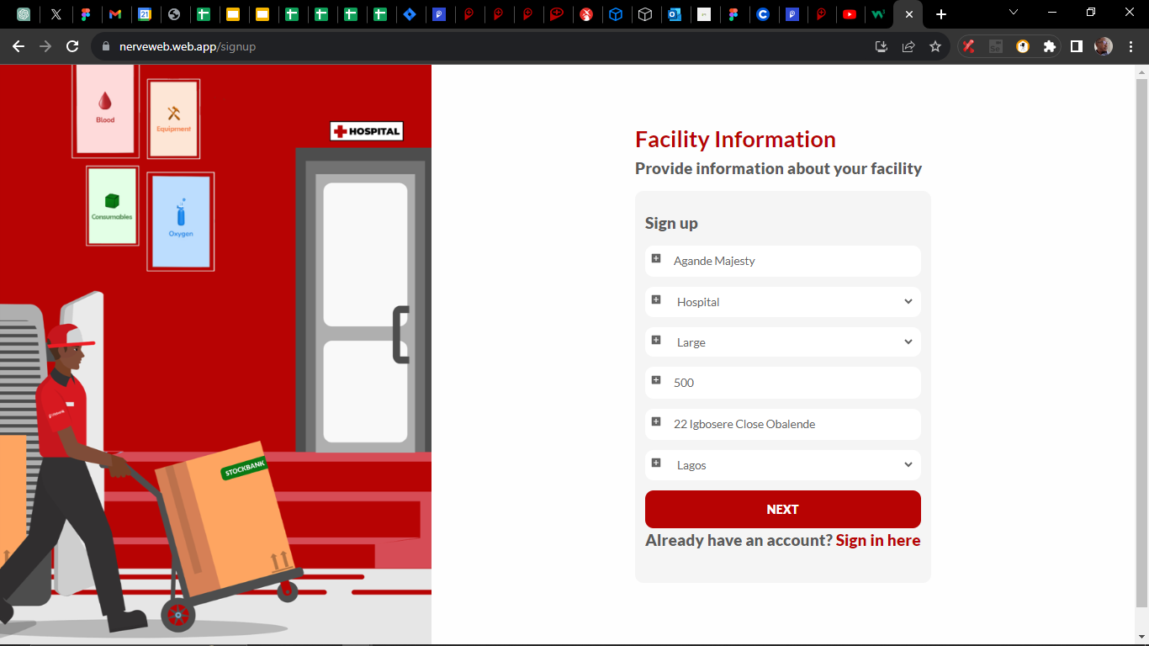 | Open
NWA_019 | Could not login to Kenya with my valid credentials successfully after selecting Kenya as country. majesty@lifebank.ng Password2$ | 2023-09-21 | High | Blocker | 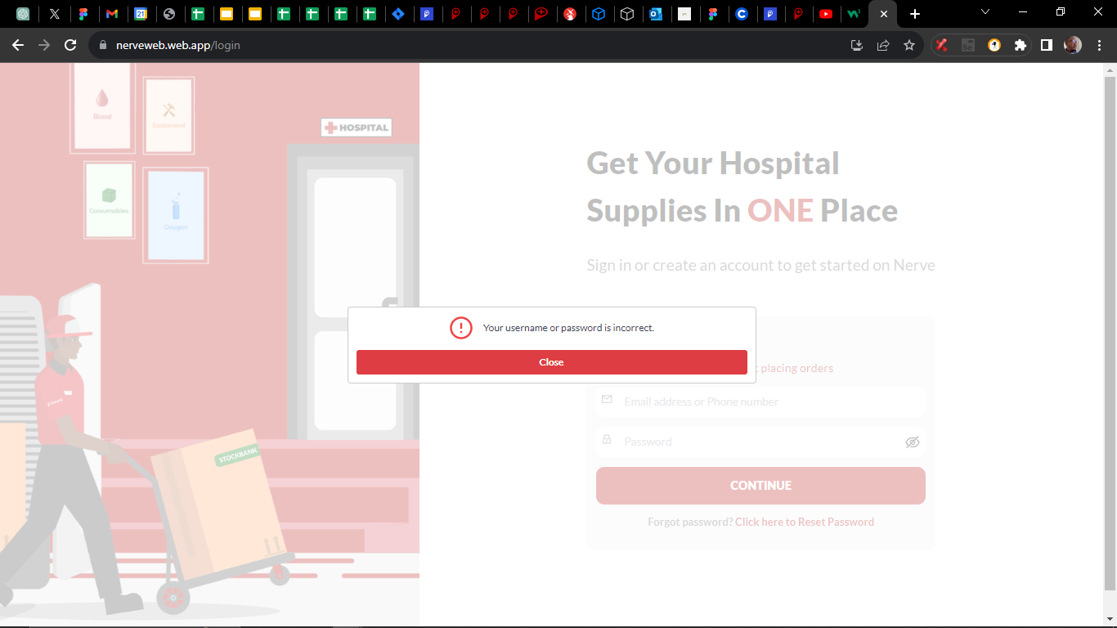 | Close
NWA_020 | I successfully login with my Nigeria credencials when I select Kenya as country. The system need to recognise each country login details. | 2023-09-21 | High | Defect | N/A | Open

